eWISACWIS Reports
PULLING eWISACWIS DATA FOR THE "CASE NUMBERS" TAB
NOTE: The staffing tool is set up to analyze 30 DAYS of data. Pulling data reports for a longer or shorter period of time will result in incorrect recommendations

Step 1 | Log in to eWISACWIS and click on "Quick Links." On this page, click the hyperlink for "Reports-Scheduled & On-Demand," which opens up a separate dialogue box where you can find three reports you will need.

Requesting Reports
Step 2 | Click on request in the top right corner of the EW Reports page, which will open up a new screen.

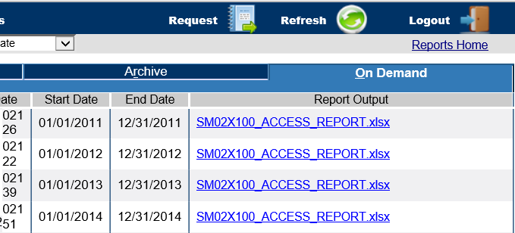
Step 3 | Click on the hyperlink for the report you are requesting (separately), which will take you to another screen. There are five reports utilized for this staffing tool: SM02X100 Access Report (Enhanced) SM06A109 - Initial Assessment Report PM02A103-Provider Detail Report SM10A125-Kinship Placement Report SM04A103 Case Assignment Report

Step 4 | On the next screen, enter the start and end date for the month you wish to analyze. Select the correct county. Hit Submit. Close the next box that pops up.

Step 5 | Complete Steps 2-4 for the other reports.

Step 6 | After making the requests, the requested reports can be found on the "On Demand" tab on the EW Reports page. The length of time it takes for the reports to run varies. When they are complete, there will be a blue hyperlink available on the right hand side of the On Demand page. Click on the Hyperlinks in the Report Output column to open the requested reports.

SM02X100 - Access Report (Enhanced)
Step 7 | Click on the hyperlink for SM02X100-ACCESS-REPORT-All-Counties.xlsx. When the excel workbook opens, you may need to click on "Enable Editing" on the yellow banner at the top of the sheet to fully open the worksheet OR save the worksheet to your computer.

Step 8 | Use the "ACCESS REPORT DETAIL" tab to see all cases, including both Service Reports and CPS Report. To better see the data, click on the arrow in the top left corner to highlight the whole document. Click "Format" on the home row and select "Autofit Column Width." | 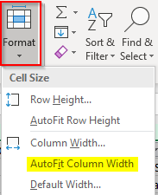

Step 9 | Count the number of reports. One easy way to do this is to highlight the cells of one column that contain data and look in the bottom right hand corner for the "count." To highlight the column, you can click in the first cell under the header, scroll to the bottom, and click the last cell in the column while holding down the shift key.

Step 10 | Enter this number into the "Case Numbers" tab of this workbook under "Total Access Reports."

SM06A109 - Initial Assessment Report
Step 11 | Click on the hyperlink for SM06A109 - Initial Assessment Report When the excel workbook opens, you may need to click on "Enable Editing" on the yellow banner at the top of the sheet to fully open the worksheet OR save the worksheet to your computer.

Step 12 | Use the "CASELOAD DETAIL" tab to see all initial assessments during the month. To better see the data, click on the arrow in the top left corner to highlight the whole document. Click "Format" on the home row and select "Autofit Column Width."

Step 13 | Count the number of assessments. One easy way to do this is to highlight the cells of one column that contain data and look in the bottom right hand corner for the "count." To highlight the column, you can click in the first cell under the header, scroll to the bottom, and click the last cell in the column while holding down the shift key.

Step 14 | Enter this number into the "Case Numbers" tab of this workbook under "Total Initial Assessment Cases."

PM02A103-Provider Detail Report (or utilize internal agency data on foster home providers)
Step 15 | Click on the hyperlink for PM02A103-Provider Detail Report When the excel workbook opens, you may need to click on "Enable Editing" on the yellow banner at the top of the sheet to fully open the worksheet OR save the worksheet to your computer.

Step 16 | Use the "PROVIDER DETAIL" tab to find the number of providers open during the reporting period.

Step 17 | Count the number of providers. One easy way to do this is to highlight the cells of one column that contain data and look in the bottom right hand corner for the "count." To highlight the column, you can click in the first cell under the header, scroll to the bottom, and click the last cell in the column while holding down the shift key.

Step 18 | Enter this number into the "Case Numbers" tab of this workbook under "Foster Home Providers" under Recruitment/Licensing/Kinship.

SM10A125-Kinship Placement Report (or utilize internal agency data on court-ordered kinship providers)
Step 19 | Click on the hyperlink for SM10A125-Kinship Placement Report When the excel workbook opens, you may need to click on "Enable Editing" on the yellow banner at the top of the sheet to fully open the worksheet OR save the worksheet to your computer.

Step 20 | Use the "KINSHIP CARE DETAIL" tab to find the number of court ordered kinship providers open during the reporting period.

Step 21 | Turn on the filter. Ensure only one cell is selected, then click on "Sort & Filter" on the home row. Navigate to column AN (Service Type). Filter the Service Type column. Leave "Select All" on, but UNselect Court Ordered Kinship cases. Click OK. Delete all the cases left in the report. Clear the filter. You should only be looking at Court Ordered Kinship cases. | 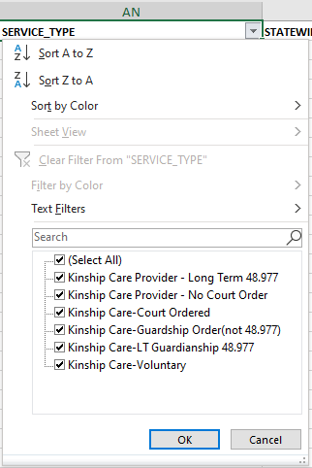

Step 22 | Remove duplicate providers. On the Data tab, click "Remove Duplicates." On the box that pops up, click "Unselect All" Scroll down and select only "Provider ID" and click OK. A box will pop up to tell you how many duplicates were removed and how many unique values remain.
 |  | 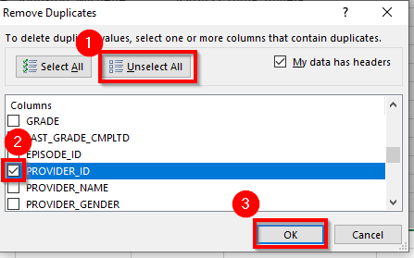
Step 23 | Enter the number of "unique values remaining" into the "Case Numbers" tab of this workbook under "Kinship Providers" under Recruitment/Licensing/Kinship.

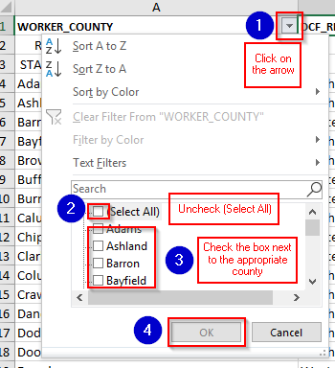
SM04A103 - Case Assignment Report
Step 24 | Click on the hyperlink for SM04A103 Case Assignment Report. When the excel workbook opens, you may need to click on "Enable Editing" on the yellow banner at the top of the sheet to fully open the worksheet OR save the worksheet to your computer.

Step 25 | Use the "COUNTY SUM BY CASE TYPE" tab of the Case Assignment Report for the rest of the case types on the "Case Numbers" tab of this workbook.

Step 26 | Data for other counties is not needed, so turn on the filter. Ensure only one cell is selected, then click on "Sort & Filter" on the home row. Once the filter is on, filter for the correct county by unchecking (Select All) and selecting only the relevant county. Click OK. | 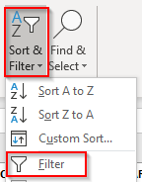

Step 27 | The header row of this eWISACWIS report corresponds to the case types listed on the "Case Numbers" tab of this workbook. Enter the number listed under each case type into the corresponding highlighted box on the "Case Numbers" tab in this workbook.

