Sample & Instructions
Child Care Counts Payments Spending Tool

Child care providers are encouraged to use this spreadsheet to help track spending of Child Care Counts payments each month. Each month's payment must be completely spent within 120 days of the date the Payment Letter. This is an optional tool to help you track spending in one place. You must save all receipts for how funding was spent. If selected for an audit, those will be needed as proof that funds were spent according to terms and conditions and within the spending time frame.

This workbook has a tab at the bottom for each month. Use those tabs for each month that you receive Child Care Counts payments. You will find Program A tracking on the left and Program B tracking on the right.
Program A Instructions | Program B Instructions for Quality Incentive Tracking Section
Step 1: Once you receive a Payment Letter for a given month, click on the tab below for that month. Enter the Total Payment Amount as shown in the Payment Letter in cell E8, highlighted in yellow under the "Program A" section. | Step 1: Once you receive a payment letter for a given month, click on the tab below for that month. Enter the Quality Incentive Amount as shown in the Payment Letter in cell N8 (Beginning Balance column).
 | Step 2: As you use funds, enter the allowable expense category by using the drop down in column H/I, enter a description in column J/K/L if wanted, and the amount spent in column M.
Step 2: As you spend funds, enter the date of each transaction in column A, the allowable expense category in column B, a brief description in column C, and the amount in column D. As you go, you should see the total spent start to appear in cell D38 (highlighted in orange).
 | Step 3: Monitor your remaining balance (highlighted in blue at the bottom of the sheet) to ensure you are spending your funds within each month's spending deadline - within 120 days of the date of the Payment Letter.
Step 3: Monitor your remaining balance (highlighted in blue at the bottom of the sheet) to ensure you are spending your funds within each month's spending deadline - within 120 days of the date of Payment Letter.

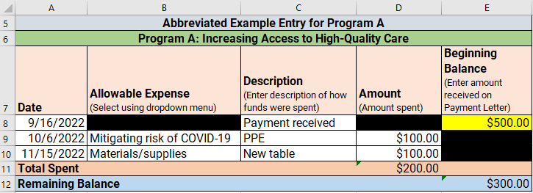

 | Program B Instructions for Base-Per Tracking Section
Use the tabs below to navigate to the appropriate month and get started tracking your spending! | Step 1: Once you receive a payment letter for a given month, click on the tab below for that month. Enter the Base Per-Staff Amount as shown in the Payment Letter in cell N38 (Beginning Balance column).
 | Step 2: Update all of your staff names in column G under the green header for "Base Per-Staff Tracking" with the names of staff accounted for in that month's Count Week. Select whether each employee is full time or part time in the column H drop down. Totals should calculate in column I.
 | Note for Staff recording: All expense information for an individual should be added in one row. Each allowable expense (wage increase/maintenance, bonus, benefit) has its own column, so you can enter information based on the appropriate column heading. Leave a column blank if it was not used for that staff person, for that payment month. For example, if you have a full-time staff person and you want to record that you gave them a $0.50/hour wage increase, a $50 bonus, and a $40 contribution towards health insurance (this totals the $150 Base Per-Staff amount for a full-time employee), you would enter each amount in their respective columns (see example of John Smith below). It may also be helpful to add dates and descriptions to these amounts for reference later. The amount entered into the Amount Paid column (M) should equal the amount auto-populated into the Base Per-Staff Amount column (I) for each staff person.

 | Step 3: Monitor your remaining balance (highlighted in blue at the bottom of the sheet) to ensure you are spending your funds within each month's spending deadline - within 120 days of the date of the Payment Letter.

 | Abbreviated Example Entry for Program B Base-Per Staff Tracking Section

Click here to view the Child Care Counts: Stabilization Program Round 2 FAQ page.
This optional resource was created through partnership between the Department of Children and Families and WEESSN.
Get additional support for your program by joining WEESSN here.

